KPIs selection list
 |  | 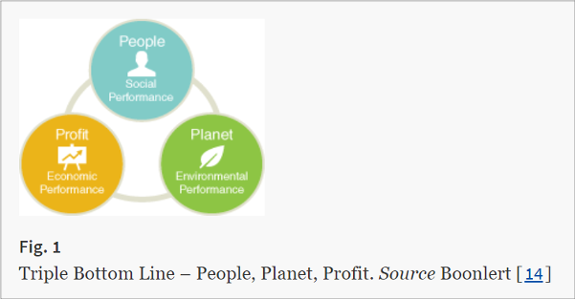

KPIs SELECTION LIST

Planet
Profit
People

KPIs selection list (not exhaustive) | SDG Goal | Name of goal | Link
ELECTRICITY | 7 | Affordable and Clean Energy | https://sdgs.un.org/goals/goal7
Use of grid electricity |  | This SDG aims to ensure access to affordable, reliable, sustainable and modern energy for all. This should be achieved by increasing the share of renewable energy in the global energy mix (SDG 7.2), and improvements in energy efficiency (SDG 7.3)
Solar power generation
Energy operational costs (e.g., utility bill)
Level of customer satisfaction
Nunber of customers
Level of customer loyalty (return rate)
WATER | 6 | Clean Water and Sanitation | https://sdgs.un.org/goals/goal6
Water usage |  | This SDG aims to ensure availability and sustainable management of water and sanitation for all. This should be achieved by a variety of activites. Amongst other water quality should be improved by pollution reduction (SDG 6.3), and a substantial increase in water-use efficiency across all sectors (SDG 6.4).
Water operational costs (e.g., utility bill)
Number of customers
Level of customer satisfaction
Level of customer loyalty (return rate)
Amount of water recycled / repurposed
Amount of recycled water used (e.g., from rainwater collection)
ORGANIC WASTE | 12 | Responsible Consumption and Production | https://sdgs.un.org/goals/goal12
Amount of generated organic waste |  | This SDG aims to ensure sustainable consumption and production patterns. This should be achieved by reducing food waste (SDG 12.3).
Amount of repurposed organic waste
Energy recovered from organic waste
Food operational costs
Level of customer loyalty (return rate)
PLASTIC | 12 | Responsible Consumption and Production | https://sdgs.un.org/goals/goal12
Reduction of plastic items used/purchased |  | This SDG aims to ensure sustainable consumption and production patterns. This should be achieved by a decrease in waste generation (SDG 12.5).
Procurements cost savings on plastic items
Revenue from recycled plastic items
Amount of plastic items repurposed/reused
Amount of plastic items recycled
Number of reusable plastic items purchased
Level of customer loyalty (return rate)
CIRCULAR EDUCATION | 8 | Decent Work and Economic Growth | https://sdgs.un.org/goals/goal8
Level of customer satisfaction | 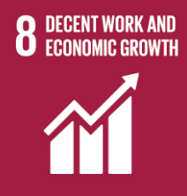 | This SDG aims to promote sustained, inclusive and sustainable economic growth, full and productive employment and decent work for all. This should be achievedby promoting development policies suppring job creation (SDG 8.3), achieving full employment for all people (including for young people and people with disabilities) (SDG 8.5), promote sustainable tourism that creates jobs and promotes local culture and products (SDG 8.9)
Level of customer loyalty (return rate)
Emplyee knowledge aquisition
Level of employees satisfaction
Number of circular jobs created / supported
New customers
PAPER | 12 | Responsible Consumption and Production | https://sdgs.un.org/goals/goal12
Amount of paper items purchased |  | This SDG aims to ensure sustainable consumption and production patterns. This should be achieved by a decrease in waste generation (SDG 12.5).
Procurement cost savings on paper items
Amount of paper iterms repurposed/reused
Number of reusable paper items purchased
Level of customer loyalty (return rate)

